Current Available List
Brand | Model# | Customer Model | S/N | Category | Display | Camera | Current Operating System | Keeper | Data | Spectrum
Microsoft | 3048A-1516 | Surface RT | 90651725252 | Tablet | Display Type: ClearType HD with CTP Display Size: 10.6 inch Display Resolution: 1366x720 Display ppi: 148 | Rear Camera Resolution: 1 megapixels Rear Camera Aperture Size: F? Rear Camera sensor: ? " Rear Camera Flash: N/B Front Camera Resolution: 1 megapixels | Windows RT | Nikhil Yesupriya
Samsung | GT-P7510 | Galaxy Tab 10.1 | R32C102SZQZ | Tablet | Display Type: Super PLS LCD Display Size: 10.1 inch Display Resolution: 1280x800 Display ppi: 149 | Rear Camera Resolution: 3.1 megapixels Rear Camera Aperture Size: F? Rear Camera sensor: ? " Rear Camera Flash: LED Front Camera Resolution: 2 megapixels | Andoid 4.0.4 | Mina Choi | Samsung_GalaxyTab101_R_06-25-2014_1229.mat Samsung_GalaxyTab101_G_06-25-2014_1255.mat Samsung_GalaxyTab101_B_06-25-2014_1319.mat | 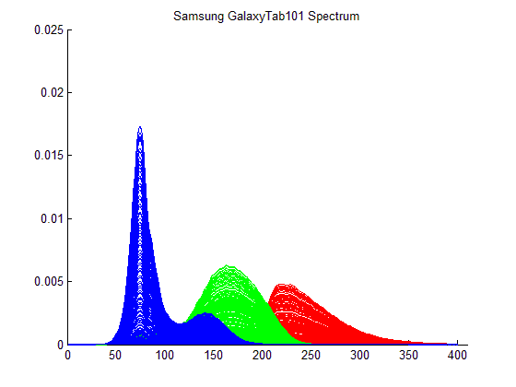
Samsung | GT-N8013 | Galaxy Note 10.1 | R32C801DH5H | Tablet | Display Type: Super PLS LCD Display Size: 10.1 inch Display Resolution: 1280x800 Display ppi: 149 | Rear Camera Resolution: 5 megapixels Rear Camera Aperture Size: F? Rear Camera sensor: ? " Rear Camera Flash: LED Front Camera Resolution: 1.9 megapixels | Andoid 4.1.2 | Nikhil Yesupriya | Samsung_GalaxyNote101_R_06-25-2014_1350.mat Samsung_GalaxyNote101_G_06-25-2014_1415.mat Samsung_GalaxyNote101_B_06-25-2014_1504.mat | 
Apple | MD328LL/A | Ipad 3 | DYTJ4MC0DVD1 | Tablet | Display Type: IPS LCD with CTP Display Size: 9.7 inch Display Resolution: 2048x1536 Display ppi: 264 | Rear Camera Resolution: 5 megapixels Rear Camera Aperture Size: F2.4 Rear Camera sensor: 1/3.2" Rear Camera Flash: N/B Front Camera Resolution: 0.3 megapixels | iOS 7.0.4(11B554a) | Nikhil Yesupriya
Google | ME370T | Nexus 7 | 015d24bc5c3ff806 | Tablet | Display Type: IPS LCD with CTP Display Size: 7 inch Display Resolution: 1280x800 Display ppi: 216 | Rear Camera Resolution: N/B Rear Camera Aperture Size: N/B Rear Camera sensor: N/B Rear Camera Flash: N/B Front Camera Resolution: 1.2 megapixels | Andoid 4.2.2 | Nikhil Yesupriya | Google_Nexus7_R_06-25-2014_1157.mat Google_Nexus7_G_06-25-2014_1130.mat Google_Nexus7_B_06-25-2014_1105.mat | 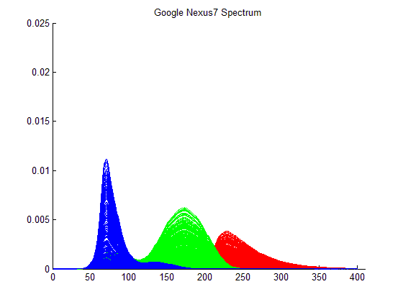
Google | ME370T | Nexus 7 | 015d2d426b63f210 | Tablet | Display Type: IPS LCD with CTP Display Size: 7 inch Display Resolution: 1280x800 Display ppi: 216 | Rear Camera Resolution: N/B Rear Camera Aperture Size: N/B Rear Camera sensor: N/B Rear Camera Flash: N/B Front Camera Resolution: 1.2 megapixels | Andoid 4.3 | Nikhil Yesupriya
Apple | MC319LL/A | Iphone 4 | 80034MTVA4T | Phone | Display Type: IPS LCD with CTP Display Size: 3.5 inch Display Resolution: 640x960 Display ppi: 326 (Retina) | Rear Camera Resolution: 5 megapixels Rear Camera Aperture Size: F2.8 Rear Camera sensor: 1/3.2'" Rear Camera Flash: LED Front Camera Resolution: 0.3 megapixels | iOS 7.0.4(11B554a) | Nikhil Yesupriya
HTC | PB99110 | Google Nexus ONE | HT068P900255 | Phone | Display Type: AMOLED with CTP Display Size: 3.7 inch Display Resolution: 480x800 Display ppi: 252 | Rear Camera Resolution: 5 megapixels Rear Camera Aperture Size: F2.8 Rear Camera sensor: ? " Rear Camera Flash: LED Front Camera Resolution: N/B | Andoid 2.3.6 | Nikhil Yesupriya | HTC_Nexus1_R_06-24-2014_1143.mat HTC_Nexus1_G_06-24-2014_1208.mat HTC_Nexus1_B_06-24-2014_1233.mat | 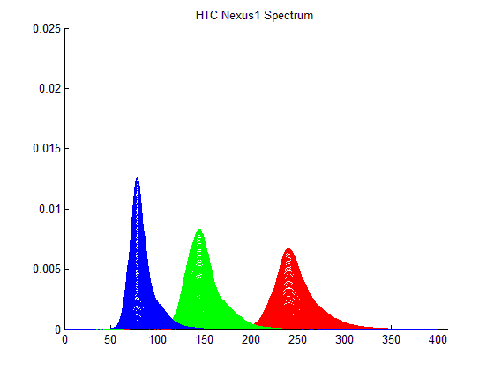
Apple | PC086LL | Ipod Touch 2 | 8L952FZ975J | MP4 | Display Type: LCD with CTP Display Size: 3.5 inch Display Resolution: 320x480 Display ppi: 163 | Rear Camera Resolution: N/B Rear Camera Aperture Size: N/B Rear Camera sensor: N/B Rear Camera Flash: N/B Front Camera Resolution: N/B | iOS 4.2.1(8C148) | Nikhil Yesupriya
Apple | MC540LL/A | Ipod Touch 4 | C3RJ4CY0DT75 | MP4 | Display Type: LCD with CTP Display Size: 3.5 inch Display Resolution: 640x960 Display ppi: 326 | Rear Camera Resolution: 0.7 megapixels Rear Camera Aperture Size: F2.8 Rear Camera sensor: ?" Rear Camera Flash: N/B Front Camera Resolution: 0.3 megapixels | iOS 6.1.3(10B329) | Nikhil Yesupriya
Samsung | GT-I9300 | Galaxy S3 | RV1C60YAEZF | Phone | Display Type: Super AMOLED Display Size: 4.8 inch Display Resolution: 720x1280 Display ppi: 306 | Rear Camera Resolution: 8 megapixels Rear Camera Aperture Size: F2.6 Rear Camera sensor: 1/3" Rear Camera Flash: LED Front Camera Resolution: 1.9 megapixels | Andoid 4.3 | Mina Choi | Samsung_GalaxyS3_R_06-24-2014_1624.mat Samsung_GalaxyS3_G_06-24-2014_1658.mat Samsung_GalaxyS3_B_06-24-2014_1732.mat | 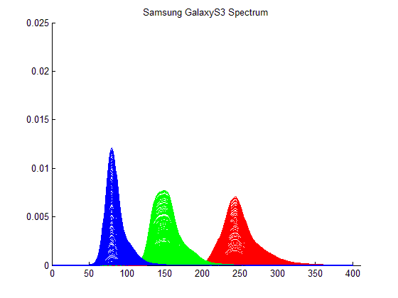
Samsung | GT-I9000 | Galaxy S | R1WZA06184M | Phone | Display Type: Super AMOLED Display Size: 4 inch Display Resolution: 480x800 Display ppi: 233 | Rear Camera Resolution: 5 megapixels Rear Camera Aperture Size: F2.6 Rear Camera sensor: 1/3.6" Rear Camera Flash: N/B Front Camera Resolution: 0.3 megapixels | Andoid 2.3.5 | Nikhil Yesupriya | Samsung_GalaxyS_R_06-24-2014_1439.mat Samsung_GalaxyS_G_06-24-2014_1522.mat Samsung_GalaxyS_B_06-24-2014_1547.mat | 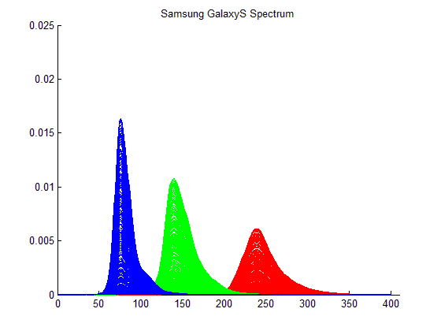
Samsung | GT-I9500 | Galaxy S4 | ? | Phone | Display Type: Super AMOLED (Pentile:Diamond matrix) Display Size: 5.1 inch Display Resolution: 1920x1080 Display ppi: 441 | Rear Camera Resolution: 13 megapixels Rear Camera Aperture Size: F2.2 Rear Camera sensor: 1/3.06" Rear Camera Flash: LED Front Camera Resolution: 2 megapixels | Andoid ? | Dr. Aldo, Badano
HTC | OP6B120 | One (M8) | FA466WM04595 | Phone | Display Type: Super LCD3 Display Size: 5 inch Display Resolution: 1080 x 1920 Display ppi: 441 | Rear Camera Resolution: 4.08 megapixels and Depth of Field Camera Rear Camera Aperture Size: F2.0 Rear Camera sensor: 1/3'" Rear Camera Flash: Dual LED Front Camera Resolution: 5 megapixels | Android 4.4.2 | Nikhil Yesupriya | HTC_OneM8_R_06-24-2014_1410.mat HTC_OneM8_G_06-24-2014_1326.mat HTC_OneM8_B_06-24-2014_1301.mat | 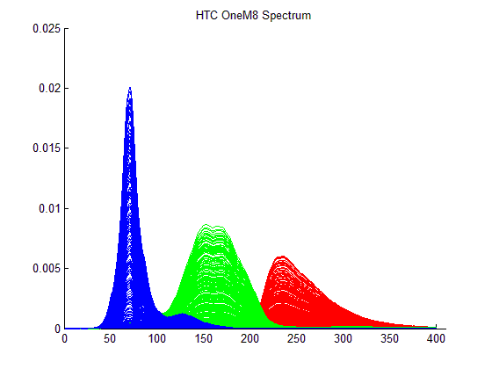
Apple |  | iPhone5s |  | Phone | Display Type: IPS LCD with CTP Display Size: 4 inch Display Resolution: 640 x 1136 Display ppi: 326 | Rear Camera Resolution: 8 megapixels Rear Camera Aperture Size: F2.2 Rear Camera sensor: 1/3" Rear Camera Flash: Dual LED Front Camera Resolution: 1.2 megapixels | iOS 7.x | Nikhil Yesupriya
Sony |  | Xperia Z2 Tablet |  | Tablet | Display Type: IPS LCD with CTP Display Size: 10.1 inch Display Resolution: 1920 x 1200 Display ppi: 224 | Rear Camera Resolution: 8.1 megapixels Rear Camera Aperture Size: F? Rear Camera sensor: ?" Rear Camera Flash: N/B Front Camera Resolution: 2.2 megapixels | Android 4.4.2 | Nikhil Yesupriya
Samsung |  | GALAXY TabPRO10.1 |  | Tablet | Display Type: Super Clear LCD (PenTile) with CTP+Electromagnetic touch Display Size: 10.1 inch Display Resolution: 2560 x 1600 Display ppi: 299 | Rear Camera Resolution: 8 megapixels Rear Camera Aperture Size: F? Rear Camera sensor: ?" Rear Camera Flash: LED Front Camera Resolution: 2 megapixels | Android 4.4.2 | Nikhil Yesupriya

